Sheet1
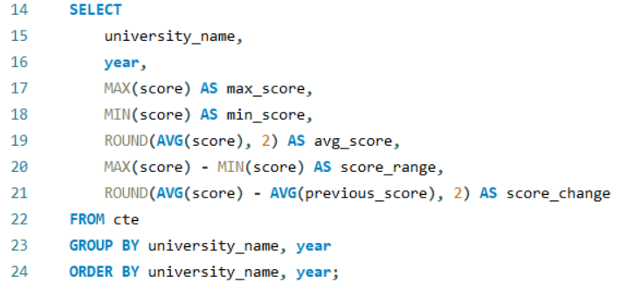
1. How has the ranking of universities changed over the years?

